Diagrams
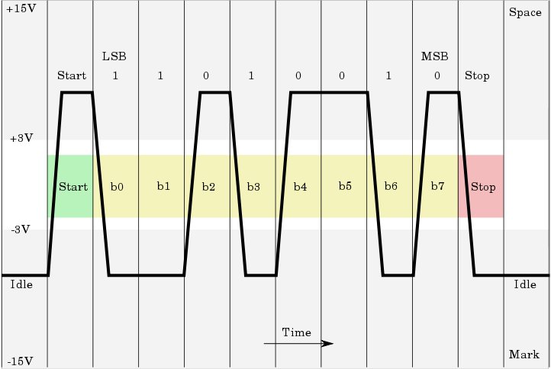

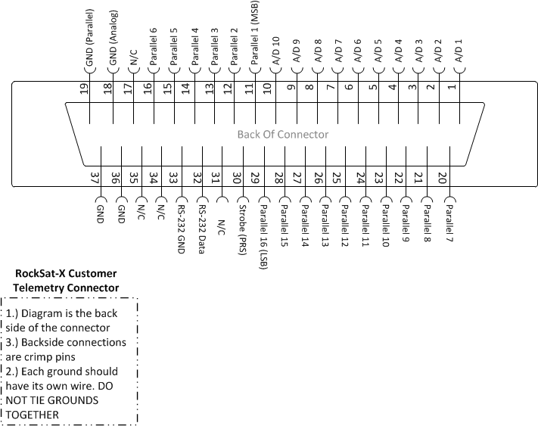

Example RS-232 communication signal
(Wikipedia-http://en.wikipedia.org/wiki/File:Rs232_oscilloscope_trace.svg)

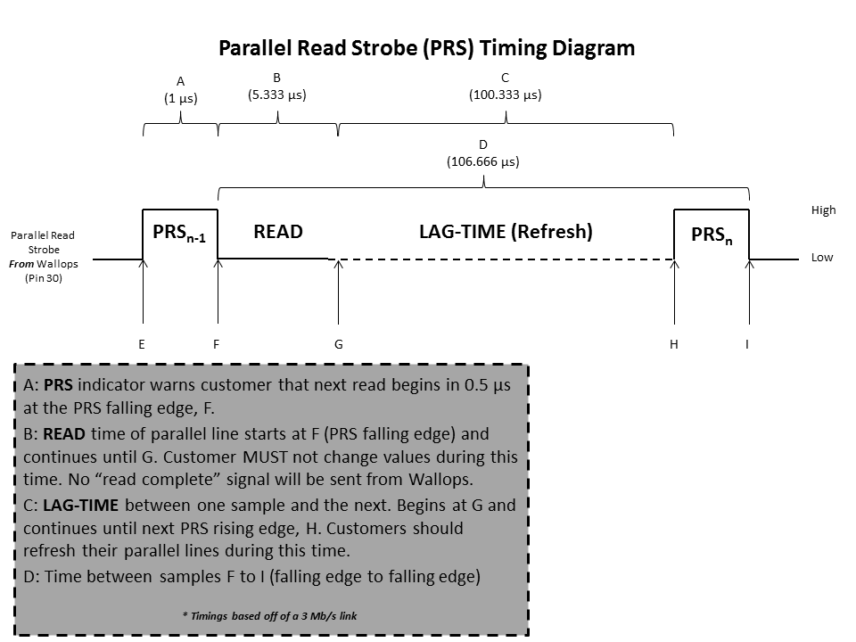

 | Telemtry Connector Pin-Out

Parallel Read Strobe Timing Diagram |  | Customer Connector (37 Pin)-FEMALE

